How to Edit This Sheet
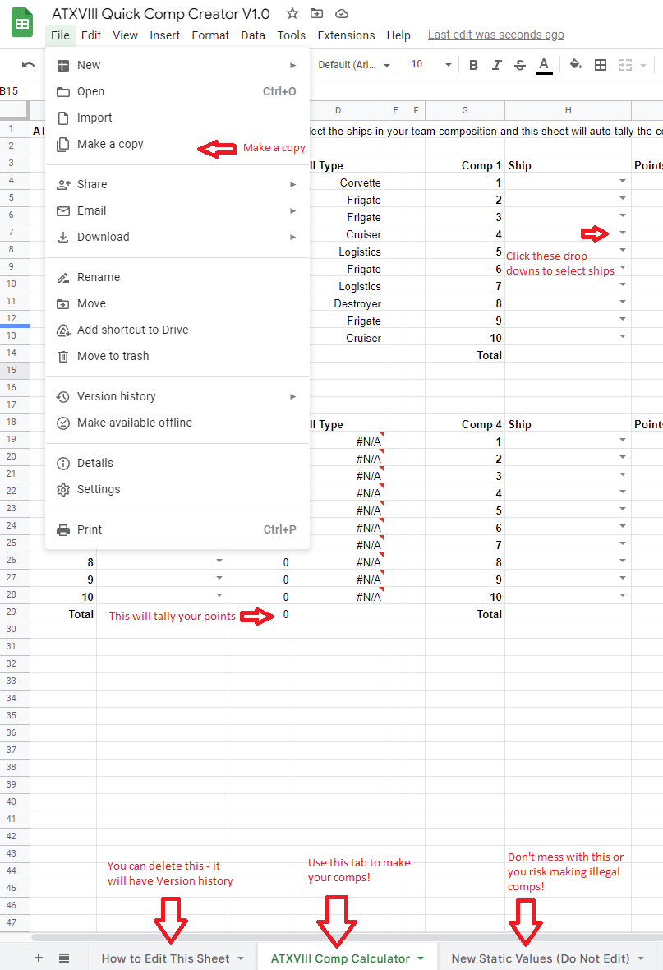
 |  | Instructions

V1.0 | Updated for first release
V1.01 | Metamorphosis added

